Sheet1
Brand | Country | Subsystems | Notes |  | Link
ARAN | Canada | Positioning | WiseCrax software (crack detection and analysis) for cracks no smaller than 1 m | 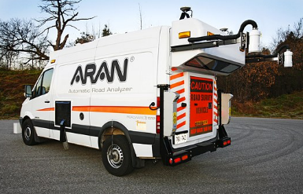 | https://www.fugro.com/our-services/asset-integrity/roadware/equipment-and-software
 |  | High-definition cameras
 |  | Roughness (IRI)
 |  | Texture data

 |  | GPR
 |  | Pavement-marking reflectivity
 |  | Video Imaging
Road Tiger | Japan | High-speed Camera | High-speed moving inspection system, Tunnel distress detection, Rutting and crack (1 mm) measurement at 100 km/h | 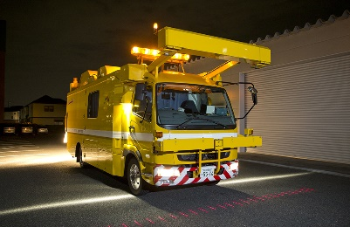 | https://www.c-nexco.co.jp/en/corporate/safety/torikumi/torikumi/vol04/
 |  | GPS

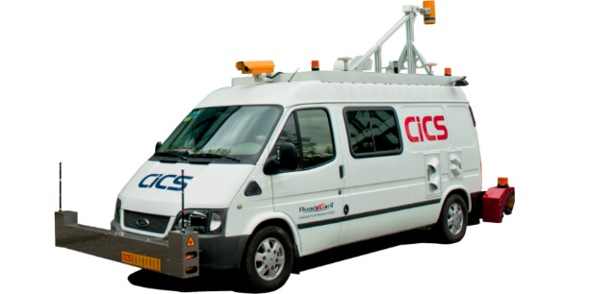
CiCS | China | 线阵相机 （1±0.05 mm） | >0, <100 km/h; 路面损坏检测 |  | http://www.roadmaint.com/product/124.html
 |  | 面阵相机 （1±0.05 mm） | 数据软件剔除无效数据+人工识别
 |  | 路面构造深度

ZOYON | China |  | 数据在线处理与检测 |  | http://www.zoyon.com.cn/view/21.html
 |  |  | 高频高精度线扫描成像三维数据采集技术，提出了基于目标三维模型的数据智能处理方法
 |  |  | https://patents.google.com/patent/CN2658211Y/zh
Dynatest | Spain | Lase crack measurement system (LCM) (2D or 3D imagery) | Cracks as narrow as 1 mm |  | https://www.dynatest.com/multi-functional-vehicle-mfv

